Title
Welcome to the MapleStory iTCG Checklist SpreadSheet Click one of the sets below to see more about it

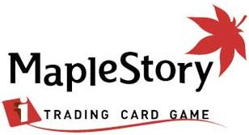
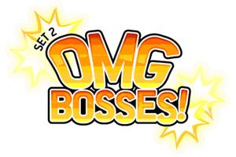

Total Cards I Own ==> | 0
Total Packs Bought => | 0

